HCM Reports
HCM Payroll Reports

Pre-Certification Payroll Reports
Report Name | Navigation
COVA Payroll Register | Navigator > Payroll for North America > Payroll Processing USA > Pay Period Reports > COVA Payroll Register
COVA Payroll Summary Report | Navigator > Payroll for North America > Payroll Processing USA > Pay Period Reports > COVA Payroll Summary Report
Condensed Payroll Register | Navigator > Payroll for North America > Payroll Processing USA > Pay Period Reports > Condensed Payroll Register
COVA Payroll Error Messages Report | Navigator > Payroll for North America > Payroll Processing USA > Review Processing Messages > COVA Payroll Err Messages Rpt
Payroll Error Messages Query: V_PY_MESSAGES | Navigator > Payroll for North America > Payroll Processing USA > Pay Period Reports > COVA Other Earnings Register
Salary Rate Comparison Report | Navigator > Payroll for North America > Payroll Processing USA > Pay Period Reports > Salary Rate Comparison Report
Deductions Not Taken Report | Navigator > Payroll for North America > Payroll Processing USA > Pay Period Reports > COVA Deductions Not Taken
Review Payroll Error Messages | Navigator > Payroll for North America > Payroll Processing USA > Review Processing Messages > Review Payroll Error Messages
Employees Not Processed Report | Navigator > Payroll for North America > Payroll Processing USA > Pay Period Reports > COVA EE Not Processed
Review Garnishments | Navigator > Payroll for North America > Employee Pay Data USA > Deductions > Review Garnishments

Post-Certification Payroll Reports
Report Name | Navigation
COVA Deduction Register | Navigator > Payroll for North America > Payroll Processing USA > Pay Period Reports > COVA Deduction Register
Confirmed Payroll Register | Navigator > Payroll for North America > Payroll Processing USA > Pay Period Reports > COVA Payroll Register
Confirmed Payroll Summary Report | Navigator > Payroll for North America > Payroll Processing USA > Pay Period Reports > COVA Payroll Summary Report
FBMC Deduction Extract Report | Navigator > Payroll for North America > Payroll Processing USA > Pay Period Reports > FBMC Deduction Extract Report
COVA Check Recon Report | Navigator > Payroll for North America > Payroll Processing USA > Pay Period Reports > COVA Check Recon Report
Annual Error Listing Report | Navigator > Payroll for North America > U.S. Annual Processing > Audit and Errors Reports > COVA Error Listing
Query: V_PY_FIT_SIT_TAXABLE_VARIANCE | Navigator > Reporting Tools > Query > Query Viewer > V_PY_FIT_SIT_TAXABLE_VARIANCE
Deduction Vendor Remittance | Navigator > Payroll for North America > Payroll Processing USA > Pay Period Reports > Deduction Vendor Remittance Report
Deduction Change Amount Report | Navigator > Payroll for North America > Payroll Processing USA > Pay Period Reports > Deduction Change Amount Report
COVA Tax Remittance Report | Navigator > Payroll for North America > Payroll Processing > Pay Period Reports > COVA Tax Remittance
Garnishment Check Register Report | Navigator > Payroll for North America > Payroll Processing USA > Pay Period Reports > Garnishment Check Register Report

Healthcare Reconciliation Reports
Report Name | Navigation
Healthcare Benefits Recon Exception Report | Navigator > Benefits > Reports > Health Benefit Recon Exception
Work Location Details Report | Navigator > Workforce Administration > Job Information > Job Data
Benefit Enrollment Summary | Navigator > Benefits > Review Employee Benefits > Current Benefits Summary

VRS Reconciliation Reports
Report Name | Navigation
VRS Billing Exceptions | Navigator > Benefits --> Reports --> VRS Billing Exceptions
VRS Billing Summary | Navigator > Benefits --> Reports --> VRS Billing Summary
Employer Cash Match Error Report | Navigator > Benefits --> Reports --> Employer Cash Match Error Rpt

Quarterly Reports
Report Name | Navigation
COVA Federal Tax Summary | Navigator > Payroll for North America > U.S. Quarterly Processing > Quarterly Reports > COVA Federal Tax Summary
COVA State Tax Summary | Navigator > Payroll for North America > U.S. Quarterly Processing > Quarterly Reports > COVA State Tax Summary
Annual Error Listing Report | Navigator > Payroll for North America > U.S. Annual Processing > Audit and Errors Reports > COVA Error Listing
Quarterly UI Wage File | Navigator > Payroll for North America > U.S. Quarterly Processing > Quarterly Reports > COVA Qrtrly Wage File
Query: Fed & State Taxable Variance | Navigator > Reporting Tools > Query > Query Viewer > V_PY_FIT_SIT_TAXABLE_VARIANCE
Multiple Worksite Report | Navigator > Payroll for North America > U.S. Quarterly Processing > Quarterly Reports > COVA Multiple Worksite
COVA Balance Adjustment Report | Navigator > Payroll for North America > Periodic Payroll Events USA > Balance Adjustments > COVA Balance Adjustment Report
COVA Tax Balance Audit Report | Navigator > Payroll for North America > U.S. Quarterly Processing > Quarterly Reports > COVA Tax Balance Audit
COVA Local Tax Summary | Navigator > Payroll for North America > U.S. Quarterly Processing > Quarterly Reports > COVA Local Tax Summary

Year End Reports
Report Name | Navigation
COVA W-3 Transmittal Report | Navigator > Payroll for North America > U.S. Annual Processing > W-2 Reporting > COVA W-3/S-3SS Transmittal
Year End Audit Data Report | Navigator > Payroll for North America > U.S. Annual Processing > Audit and Error Reports > Year End Audit Data
COVA State W-2 Tax Totals Summary Report | Navigator > Payroll for North America > U.S. Annual Processing > W-2 Reporting > COVA State W-2 Tax Totals Rpt
Query: V_PY_W2_Summary_Rpt | Navigator > Reporting Tools > Query > Query Viewer > V_PY_W2_SUMMARY_RPT

Employee Tax Data
Employee Tax Data
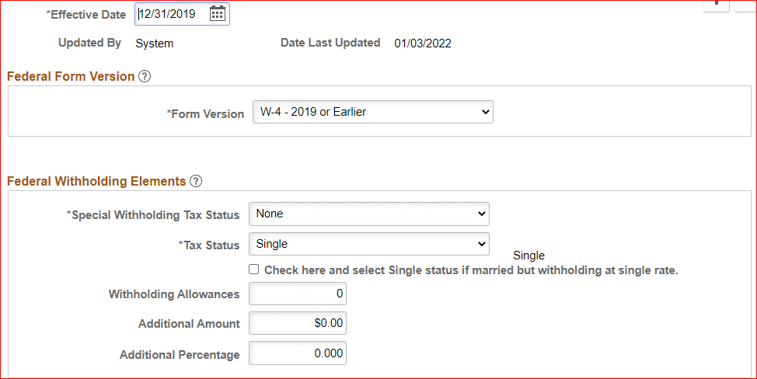

Navigator > Payroll for North America > Employee Pay Data USA > Tax Information > Update Employee Tax Data

Two W-4 Form Versions
• | 2020 or Later: For employees who are hired or wish to make withholding adjustments on or after January 1, 2020.

• | 2019: For employees who completed Form W-4 before year 2020 and do not wish to make changes.

Special Tax Status
• | Maintain Taxable Gross: Maintain taxable gross data without withholding any federal tax.
 |  |  | • Taxable will accumulate but no tax will be deducted.
 |  |  | • ***Use this option for employees who claim exemption from withholding on their Form W-4

 | a | For 2019 or Earlier: An additional amount or percentage should not be entered when the Special Withholding
 |  | Tax Status is Maintain Taxable Gross. The system issues a warning but does not prevent you from saving the data.

 | b | For 2020 or Later: The same behavior results when you enter an extra withholding amount for the Maintain
 |  | Taxable Gross special withholding tax status. The system takes a flat dollar amount for federal tax withholding
 |  | on the employee's paycheck.

• | No Taxable Gross; No Tax Taken: The system does not track federal taxable gross balance at all. Taxable & tax will be $0.00

• | None: No special tax status exist. The system refers to the Federal tax table to calculate employee taxes.

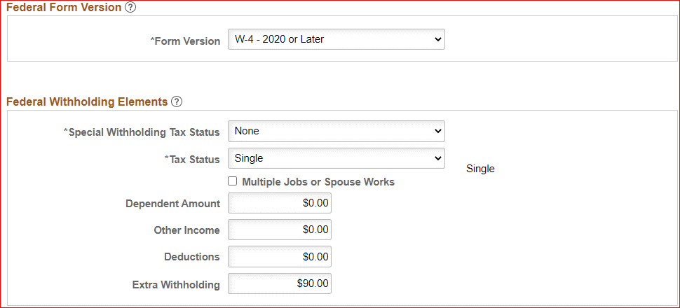

Tax Status
• | Head of Household: This appears when the 2020 or Later option is selected.
• | Married
• | Single
• | If the employee has selected "Married but withhold at single rate" on the W-4 form, you must select both the Single option
 | and the check box marked "Check here and select Single status if married but wihholding at single rate."

2020 or Later
• | Multiple Jobs or Spouse Works: Select if the check box in line 2 (c ) of the employee's Form W-4 is selected.
 | This field becomes editable when the Special Withholding Tax Status field is set to None.

• | Dependent Amount: Enter the dependent amount in line 3 of the employee's Form W-4. The line 3 amount may include
 | other tax credits indicated by the employee. This field becomes editable when the Special Withholing Tax Status field
 | is set to None or Nonresident Alien.

• | Other Income: Enter the other income amount in line 4 (a) of the employee's Form W-4. This field becomes editable
 | when the Special Withholding tax Status field is set to None.

• | Deductions: Enter the deduction amount in line 4 (b) of the employee's Form W-4.

• | Extra Withholding: Enter the extra withholding amount in line 4 (c ) of the employee's Form W-4. This field becomes
 | editable when the Special Withholding Tax Status field is not set to No Taxable Gross; No Tax Taken.

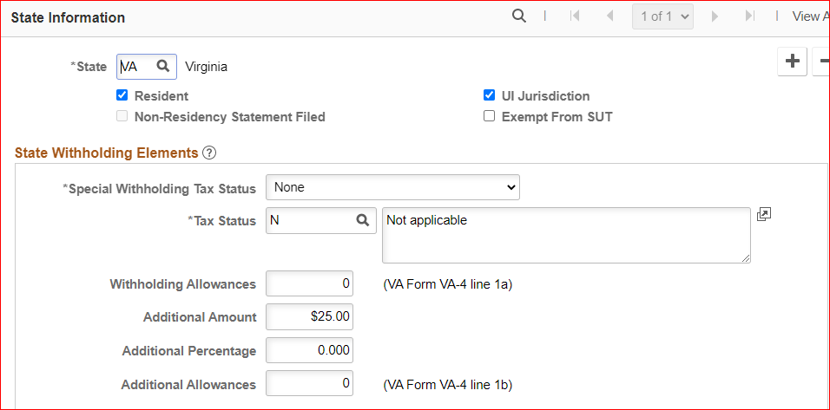
State Tax Data Set Up
• | State: Select the state. Certain state-specific page elements are shown or hidden depending on the state that you select.

• | Resident: Select this check box if the state selected in the State field is the state of residence. The system is set up based on employee address and may need to be removed if the work state and resident state are different.

• | Work State - UI Jurisdiction (unemployment insurance jursidiction): The system performs the following edits to determine state of jurisdiction
 | • | If an employee has only one state (the resident state), that state is the default state of jurisdiction (work state).
 | • | If an employee has two states (one resident, the other nonresident), the nonresident state is the default state
 |  | of jurisdiction (work state).
 | • | If an employee has multiple nonresident states, and no state is indicated as the state of jurisdiction (work state), the system issue a message requiring you to select the UI Jurisdiction (work state) check box on one record.
 | • | This record is currently set up based on the tax location record which must reflect the state where physical work is performed
 | • | Unless the work state one of the following states (MD, KY, PA, DC, WV) has a reciprocal agreement with Virginia AND the agency has elected to register for a withholding account with that state AND the work is actually performed in VA, then the resident state and work state must be the same (only one record).
 | • | If either state is not already included in the agency Company Tax Table, there will be a payroll error and the agency must research to determine whether or not they need to establish a withholding and UI account with that state - if so, the agency will also need to send an email to payroll@doa.virginia.gov to add the state to the tax table.
 | • | Unless there is a reciprocity agreement between the resident and work states, the system will usually withhold tax based on the work state record.

• | Tax Status:
 |  | N = Subject to tax
 |  | X = Exempt
 |  | B = Two Earner Percentage Method

